M04
Speaker: M04 | Intelligibility: Very Low | Speech Vision Accuracy: 10.94

Model Name | Layers Frozen | Accuracy | Loss graph | Training accuracy graph
M04_E1.h5 | Encoder 1 | 7 | 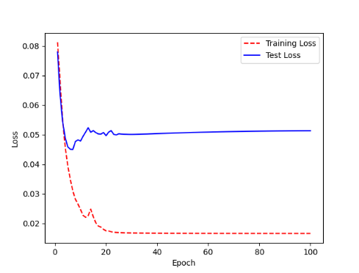 | 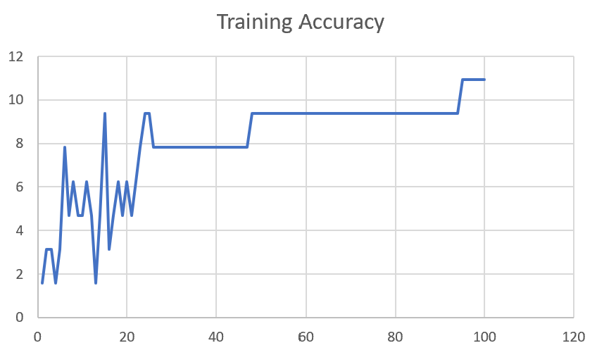

M04_E12.h5 | Encoder 12 | 5 | 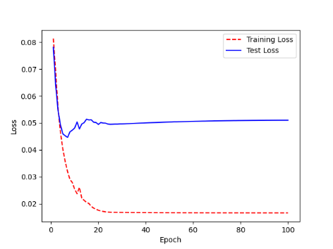 | 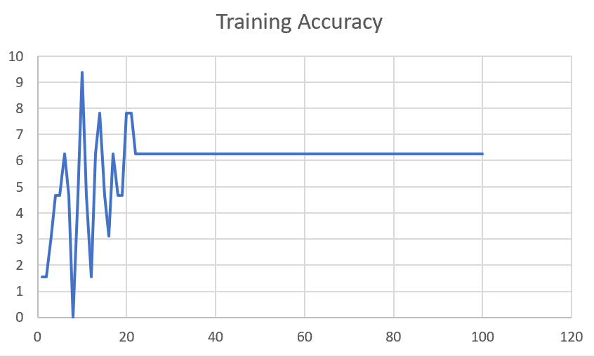

M04_E123 | Encoder 123 | 7 | 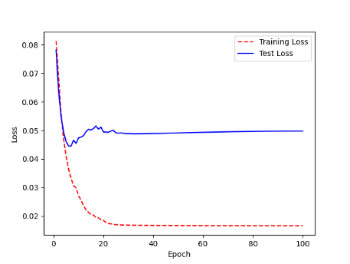 | 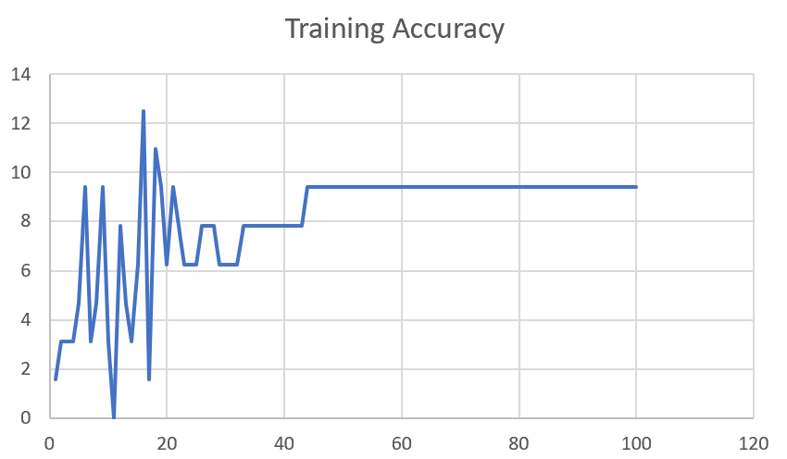

M04_E1234 | Encode 1234 | 6 |  | 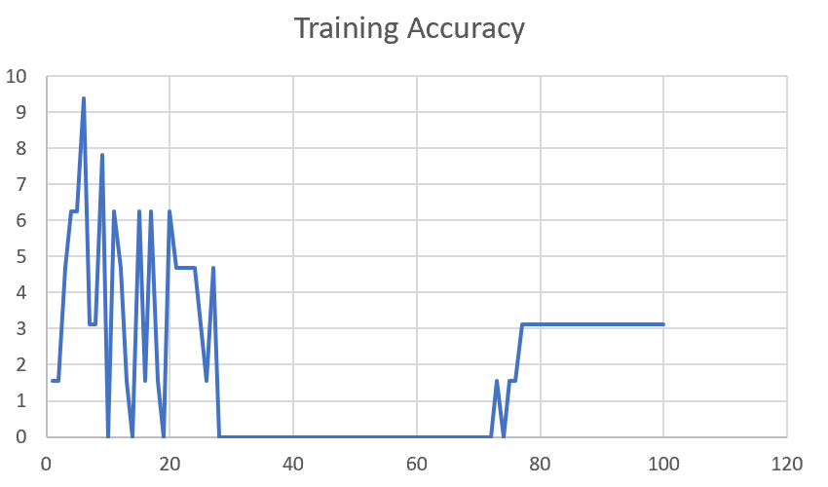

M04_E12345 | Encode 12345 | 6 | 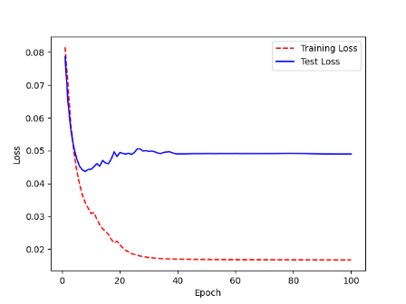 | 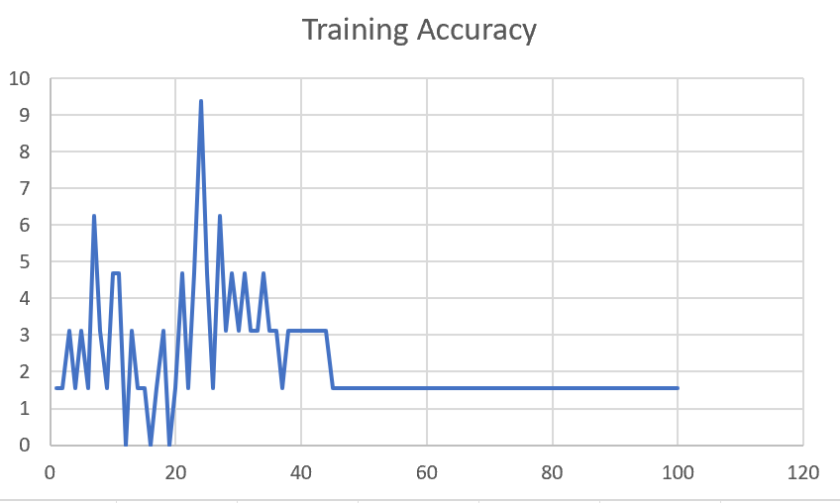

M04_TE | Token Embeddings | 7 | 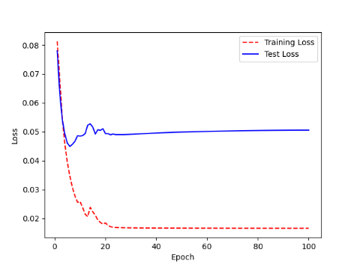 | 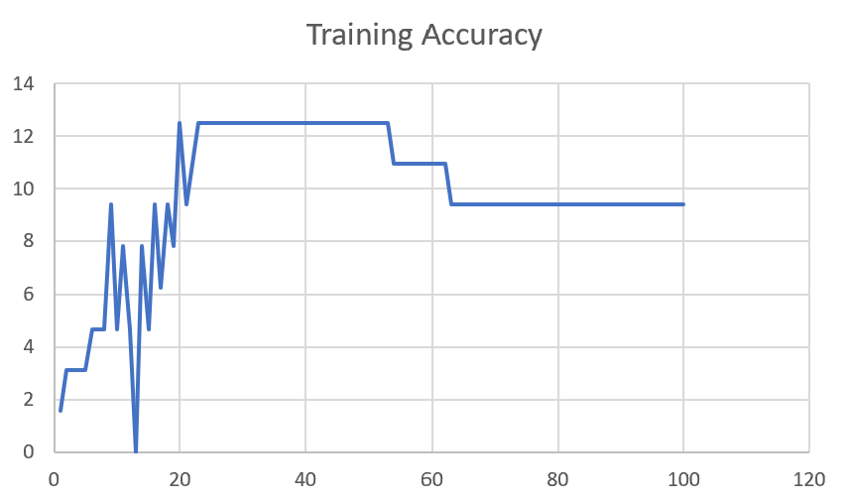

M04_T3+D123 | Token Embeddings + Decoder 1 | 6 | 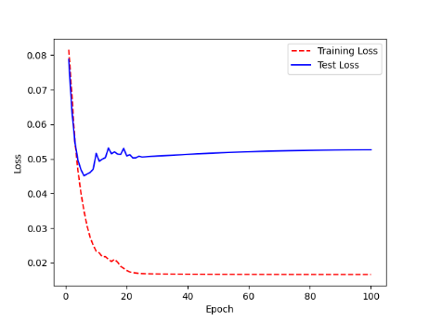 | 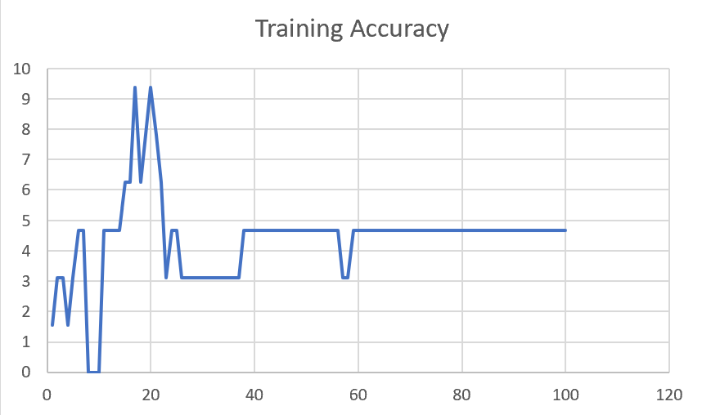

M04_T3+D12 | Token Embeddings + Decoder 12 | 6 | 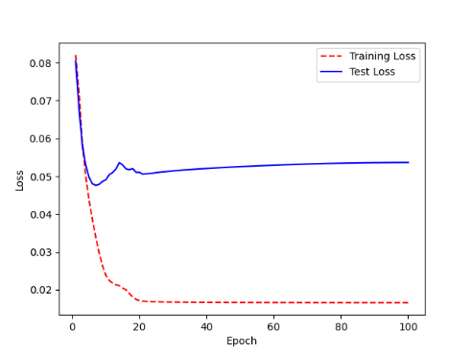 | 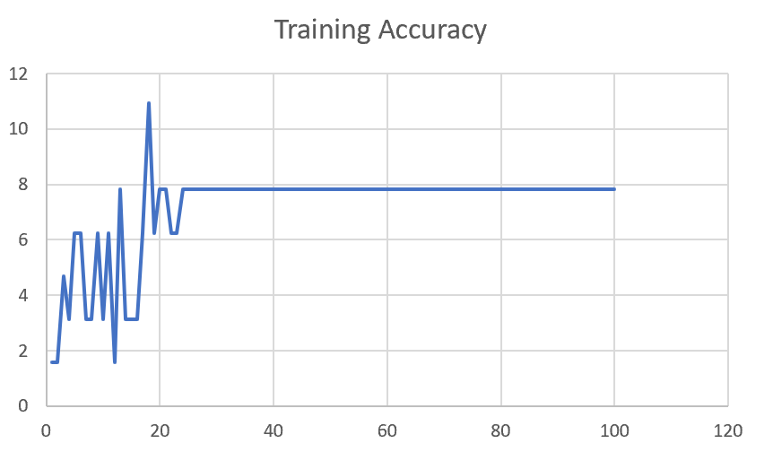

M04_T3+D1 | Token Embeddings + Decoder 123 | 5 | 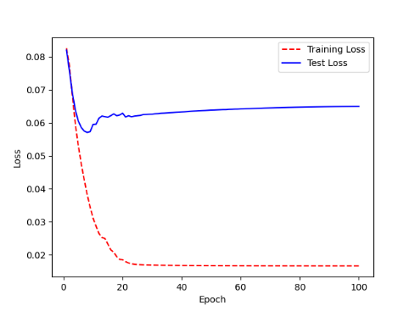 | 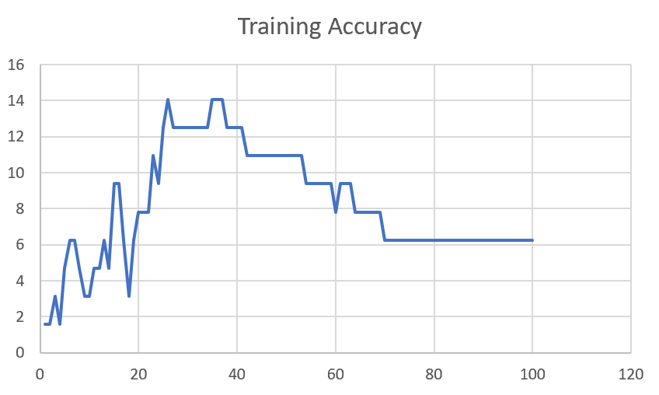

F02
Speaker: F02 | Intelligibility: Low | Speech Vision Accuracy: 67.02

Model Name | Layers Frozen | Accuracy | Loss graph | Training accuracy graph
F03_E1.h5 | Encoder 1 | 47 |  | 

F03_E12.h5 | Encoder 12 | 45 |  | 

F03_E123 | Encoder 123 | 47 |  | 

F03_E1234 | Encode 1234 | 43 |  | 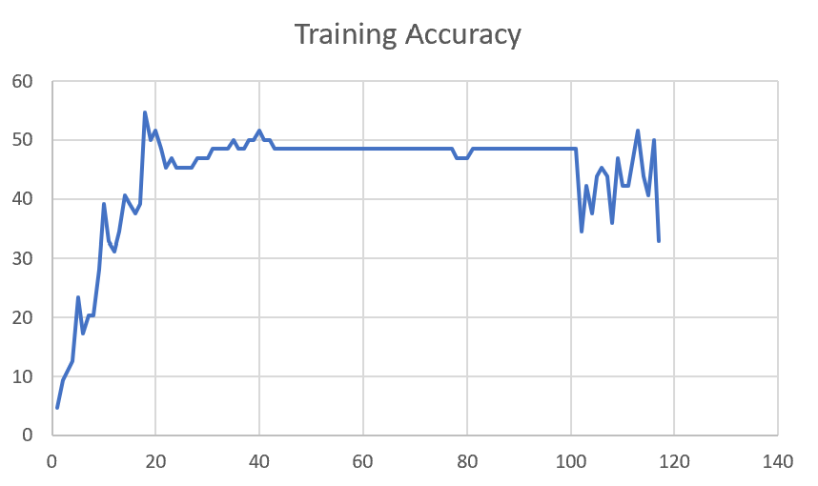

F03_E12345 | Encode 12345 | 41 | 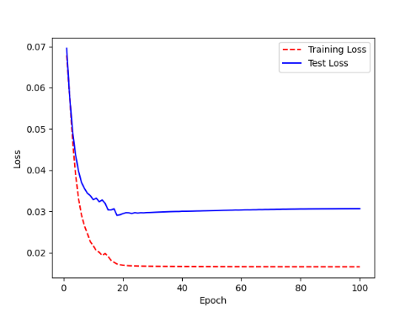 | 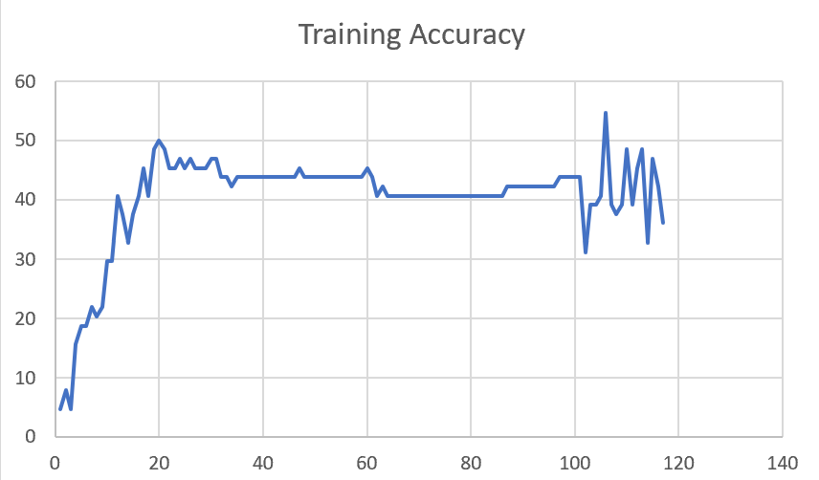

F03_t3 | Token Embeddings | 52 | 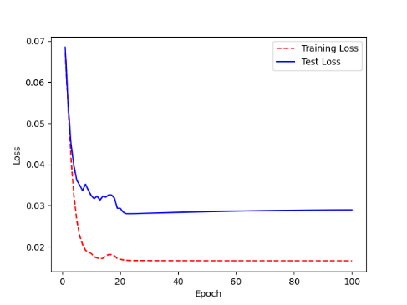 | 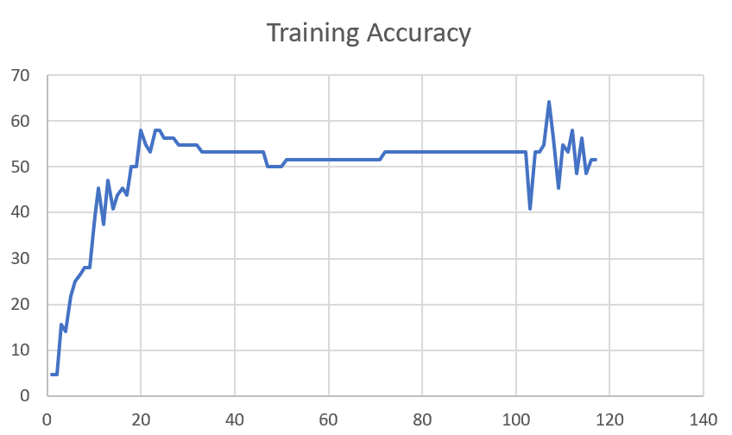

F03_T3+D123 | Token Embeddings + Decoder 123 | 45 | 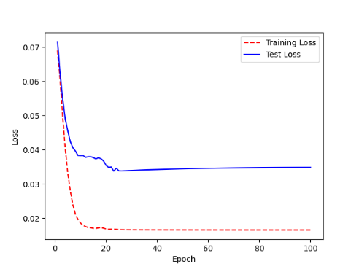 | 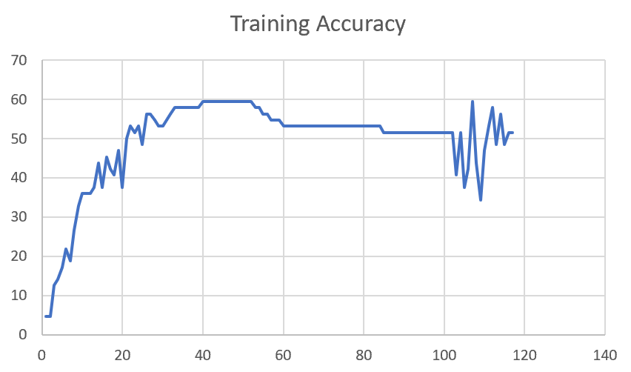

F03_T3+D12 | Token Embeddings + Decoder 12 | 50 | 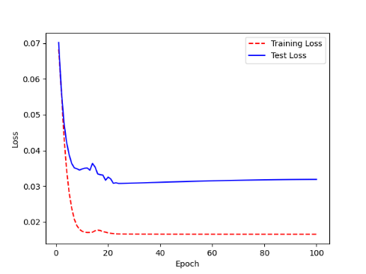 | 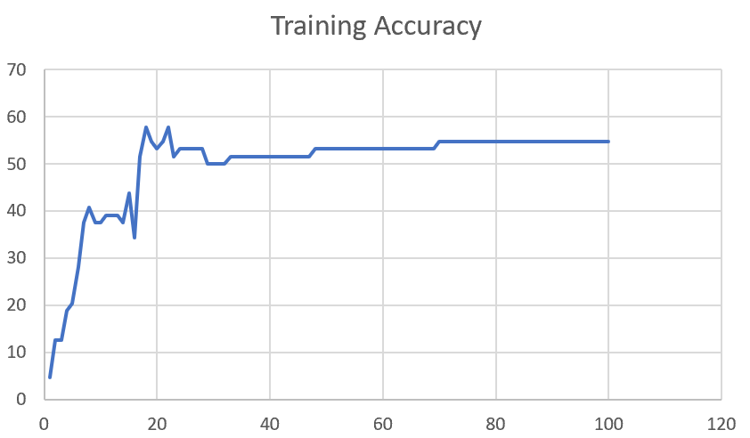

F03_T3+D1 | Token Embeddings + Decoder 1 | 50 | 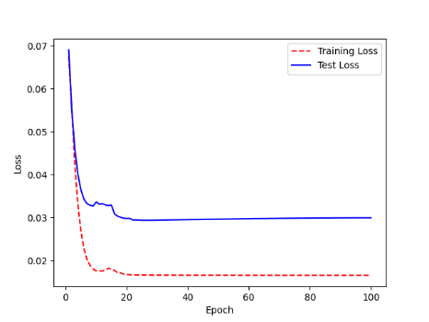 | 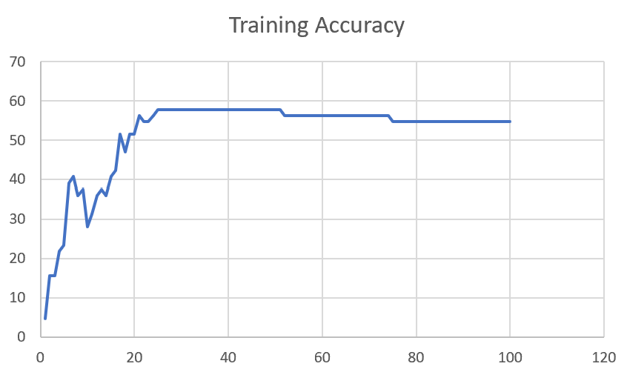

Sheet1
 |  |  | Training Accuracy
0 | 0.984375 | 1 | 1.5625
1 | 0.984375 | 2 | 1.5625
2 | 0.96875 | 3 | 3.125
3 | 0.984375 | 4 | 1.5625
4 | 0.953125 | 5 | 4.6875
5 | 0.9375 | 6 | 6.25
6 | 0.9375 | 7 | 6.25
7 | 0.953125 | 8 | 4.6875
8 | 0.96875 | 9 | 3.125
9 | 0.96875 | 10 | 3.125
10 | 0.953125 | 11 | 4.6875
11 | 0.953125 | 12 | 4.6875
12 | 0.9375 | 13 | 6.25
13 | 0.953125 | 14 | 4.6875
14 | 0.90625 | 15 | 9.375
15 | 0.90625 | 16 | 9.375
16 | 0.9375 | 17 | 6.25
17 | 0.96875 | 18 | 3.125
18 | 0.9375 | 19 | 6.25
19 | 0.921875 | 20 | 7.8125
20 | 0.921875 | 21 | 7.8125
21 | 0.921875 | 22 | 7.8125
22 | 0.890625 | 23 | 10.9375
23 | 0.90625 | 24 | 9.375
24 | 0.875 | 25 | 12.5
25 | 0.859375 | 26 | 14.0625
26 | 0.875 | 27 | 12.5
27 | 0.875 | 28 | 12.5
28 | 0.875 | 29 | 12.5
29 | 0.875 | 30 | 12.5
30 | 0.875 | 31 | 12.5
31 | 0.875 | 32 | 12.5
32 | 0.875 | 33 | 12.5
33 | 0.875 | 34 | 12.5
34 | 0.859375 | 35 | 14.0625
35 | 0.859375 | 36 | 14.0625
36 | 0.859375 | 37 | 14.0625
37 | 0.875 | 38 | 12.5
38 | 0.875 | 39 | 12.5
39 | 0.875 | 40 | 12.5
40 | 0.875 | 41 | 12.5
41 | 0.890625 | 42 | 10.9375
42 | 0.890625 | 43 | 10.9375
43 | 0.890625 | 44 | 10.9375
44 | 0.890625 | 45 | 10.9375
45 | 0.890625 | 46 | 10.9375
46 | 0.890625 | 47 | 10.9375
47 | 0.890625 | 48 | 10.9375
48 | 0.890625 | 49 | 10.9375
49 | 0.890625 | 50 | 10.9375
50 | 0.890625 | 51 | 10.9375
51 | 0.890625 | 52 | 10.9375
52 | 0.890625 | 53 | 10.9375
53 | 0.90625 | 54 | 9.375
54 | 0.90625 | 55 | 9.375
55 | 0.90625 | 56 | 9.375
56 | 0.90625 | 57 | 9.375
57 | 0.90625 | 58 | 9.375
58 | 0.90625 | 59 | 9.375
59 | 0.921875 | 60 | 7.8125
60 | 0.90625 | 61 | 9.375
61 | 0.90625 | 62 | 9.375
62 | 0.90625 | 63 | 9.375
63 | 0.921875 | 64 | 7.8125
64 | 0.921875 | 65 | 7.8125
65 | 0.921875 | 66 | 7.8125
66 | 0.921875 | 67 | 7.8125
67 | 0.921875 | 68 | 7.8125
68 | 0.921875 | 69 | 7.8125
69 | 0.9375 | 70 | 6.25
70 | 0.9375 | 71 | 6.25
71 | 0.9375 | 72 | 6.25
72 | 0.9375 | 73 | 6.25
73 | 0.9375 | 74 | 6.25
74 | 0.9375 | 75 | 6.25
75 | 0.9375 | 76 | 6.25
76 | 0.9375 | 77 | 6.25
77 | 0.9375 | 78 | 6.25
78 | 0.9375 | 79 | 6.25
79 | 0.9375 | 80 | 6.25
80 | 0.9375 | 81 | 6.25
81 | 0.9375 | 82 | 6.25
82 | 0.9375 | 83 | 6.25
83 | 0.9375 | 84 | 6.25
84 | 0.9375 | 85 | 6.25
85 | 0.9375 | 86 | 6.25
86 | 0.9375 | 87 | 6.25
87 | 0.9375 | 88 | 6.25
88 | 0.9375 | 89 | 6.25
89 | 0.9375 | 90 | 6.25
90 | 0.9375 | 91 | 6.25
91 | 0.9375 | 92 | 6.25
92 | 0.9375 | 93 | 6.25
93 | 0.9375 | 94 | 6.25
94 | 0.9375 | 95 | 6.25
95 | 0.9375 | 96 | 6.25
96 | 0.9375 | 97 | 6.25
97 | 0.9375 | 98 | 6.25
98 | 0.9375 | 99 | 6.25
99 | 0.9375 | 100 | 6.25
<__main__.DisplayOutputs object at 0x7f38b41323d0> | 0.9375 | #VALUE! | 6.25
<__main__.DisplayOutputs object at 0x7f38b41323d0> | 0.953125 | #VALUE! | 4.6875
<__main__.DisplayOutputs object at 0x7f38b41323d0> | 0.9375 | #VALUE! | 6.25
<__main__.DisplayOutputs object at 0x7f38b41323d0> | 0.90625 | #VALUE! | 9.375
<__main__.DisplayOutputs object at 0x7f38b41323d0> | 0.96875 | #VALUE! | 3.125
<__main__.DisplayOutputs object at 0x7f38b41323d0> | 0.96875 | #VALUE! | 3.125
<__main__.DisplayOutputs object at 0x7f38b41323d0> | 0.9375 | #VALUE! | 6.25
<__main__.DisplayOutputs object at 0x7f38b41323d0> | 0.9375 | #VALUE! | 6.25
<__main__.DisplayOutputs object at 0x7f38b41323d0> | 0.96875 | #VALUE! | 3.125
<__main__.DisplayOutputs object at 0x7f38b41323d0> | 0.96875 | #VALUE! | 3.125
<__main__.DisplayOutputs object at 0x7f38b41323d0> | 0.96875 | #VALUE! | 3.125
<__main__.DisplayOutputs object at 0x7f38b41323d0> | 0.953125 | #VALUE! | 4.6875
<__main__.DisplayOutputs object at 0x7f38b41323d0> | 1 | #VALUE! | 0
<__main__.DisplayOutputs object at 0x7fba881604f0> | 0.53125 | #VALUE! | 46.875
<__main__.DisplayOutputs object at 0x7fba881604f0> | 0.46875 | #VALUE! | 53.125
<__main__.DisplayOutputs object at 0x7fba881604f0> | 0.453125 | #VALUE! | 54.6875
<__main__.DisplayOutputs object at 0x7fba881604f0> | 0.5737704918 | #VALUE! | 42.62295082
<__main__.DisplayOutputs object at 0x7eff3012ee50> | 0.55737704918

